Directions
 |  | Directions
 | Directions for Program Completion Calculation Spreadsheet

Background: Programs must report the percentage of students/interns that complete the program in 150% of program length. This spreadsheet was created to help programs with assessing this data for import into the Program Evaluation Plan and annual report.

Directions:
1. In the tab named 'Program Completion,' add your program length to Cell C2. In Cell D2, use the pull down to indicate the interval (years, months, or weeks).
In the example, a 10 month program would enter the 10 in cell C2 and select months in the cell D2.

Note: When you enter this information, the spreadsheet will populate with the correct timeframes for your program.
In the same example, the spreadsheet updated to include 10 months and 15 months in rows 2 and 5.

If you have an additional program length from another option (i.e., DI and MS/DI, or full-time and part-time), you can use the second tab, 'Program Completion addl' option'.

2. For each cohort of students, fill in the pertinent years. In Column A, fill in the start year (the year that your students start the program).
In Column B, enter the expected year of graduation (based on 100% of your program length after the start of the program).
In Column C , the data collection year (based on 150% of your program length after the start of the program). If you have multiple cohorts in one year, you may enter that cohort
in an additional row if the data collection time frame is different. In the example, the 10 month program accepts two cohorts a year and starts in January and July.
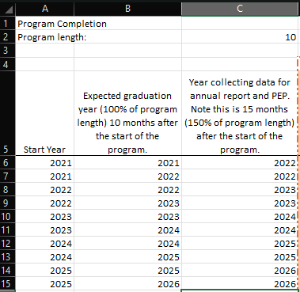

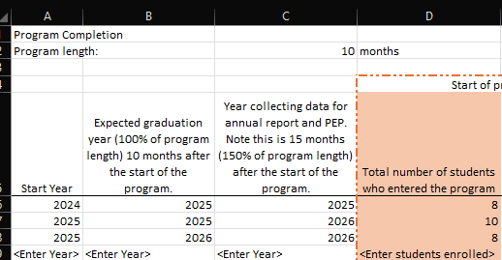
3. Enter the number of students who entered the program in Column D (orange). In the example in 2025, the program had 10 students who started in the January cohort and 8 students who started in the July cohort.

4. As students progress through the program, you will need to track those that withdrew or were terminated and those that graduated. At 100% of the program length, enter the number of students who withdrew or were terminated in Column E and those that graduated in Column F. Note that if there are students continuing in your program, the spreadsheet will calculate this value in Column G. In the example, this program had 0 students withdraw or were terminated for the January cohort and at 10 months 9 students completed and one student continued.
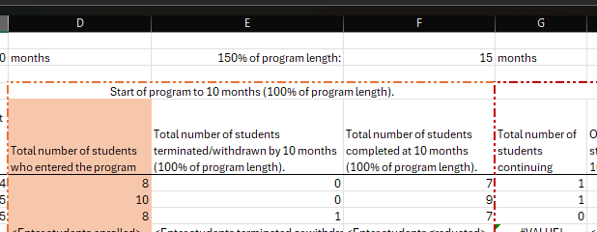

5. At 150% of program length, of the students who continuted in the program, enter the number that withdrew or were terminated after 100% of program length in Column H and those who graduated after 100% of program length in Column I. Note that if you have zero continuing students, you must enter 0 in each of these columns for the spreadsheet to calculate the program completion rate. The total number of graduates for the cohort will display in Column J and the program completion rate for the cohort will display in Column K. In Column L, the number students who are continuing after 150% program length will be calculated. In the example, the one student who continued in the program, completed between 10 and 15 months. There were zero students who continued after the 150% timeframe.

Directions for entering the data into the Program Evaluation Plan.
The data must be added to the Program Evaluation Plan (PEP). The data that will go into the PEP is indicated with the colored columns. Using the year in Column C, take the total number of completers (green column) and the total number of students entered (orange column) to provide the raw data. Then enter the completion rate (blue column). Note, the program must use a three year average on the PEP and roll that average each year for ACEND reporting. In the example, this two-year program had 9 students enter the program and 9 who completed the program at 150% of the program's length.

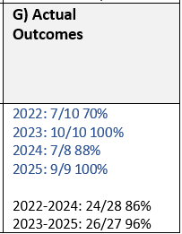

 |  |  | Data in blue is shown for instructional purposes only.
 |  |  | For ACEND purposes, only the three-year average needs to be reported on the PEP.

For programs with more than one cohort or multiple completion options (for example, part-time versus full-time), additional adding will be needed when completing the PEP and annual report. Following the original example, the program with two cohorts would need to combine the students with the same year in Column C. In the example below, for 2025, a total of 17 (10+7) out of 18 (10+8) students completed the program. The same principles apply for more than one program option but the data will be in the Program Completion Add'l option tab.

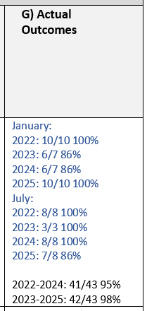

 |  |  | Data in blue is shown for instructional purposes only.
 |  |  | For ACEND purposes, only the three-year average needs to be reported on the PEP.

Directions for entering the data into the Annual Report.

The program must report program completers in the annual report. The annual report will always ask for the data from the year prior. For instance, in the 2026 annual report, programs report on those students who had an expected completion of 150% in 2025. In the example below, for the 2025 annual report, the program reported that 8 students entered the program (orange column). The annual report asks for programs to separate students who withdrew voluntarily from those that were terminated. The spreadsheet has these numbers together but at two points of time (before the expected graduation date and after the expected graduation date). Programs will need to add the values found in Columns E and H together for the total but separate them by type of withdrawal for the annual report. The program will then put the total number of students who completed within 150% of the program length (green column). The program will report the total number of continuing students who are exceed the 150% of program length (purple column). For programs with more than one cohort or multiple options, the program would need to add the values together for those students who have the same expected program completion year at 150% of the program’s length. See next example.

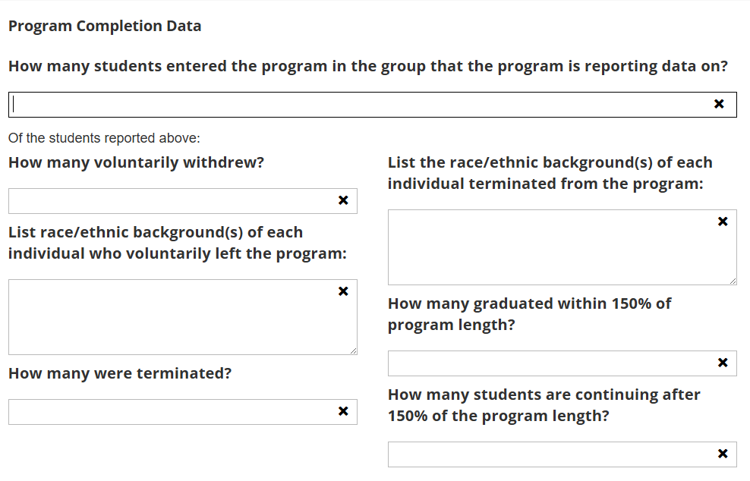

From Column D:
8

1
NA

Obtain data from Columns E and H but separate by withdrawl or termination:
Did not report
From Column J:
7

0
0

From Column L:

For programs with more than one cohort or multiple options, the program would need to add the values together for those students who have the same expected program completion year at 150% of the program’s length. In the example, for the 2025 annual report, the program reports on the students with an expected program completion at 150% of program length in the year of 2024. The total number of students who entered the program (orange column) with same expected program completion is 15 (7+8) students. The annual report asks for programs to separate students who withdrew voluntarily from those that were terminated. The spreadsheet has these numbers together but at two points of time (before the expected graduation date and after the expected graduation date). Programs will need to add the values found in Columns E and H together for the total but separate them by type of withdrawal for the annual report. In this example below, there were 0 students from either cohort who withdrew or were terminated. The program will then put the total number of students who completed within 150% of the program length (green column) with the same expected program completion. In this case, the program will put 14 (6+8) students in the annual report. The program will then report the number of continuing students who exceeded the 150% program length (purple column). In this example The same principles apply for more than one program option but the data will be in the Program Completion Add'l option tab.



From Column D:
15

0
NA
Obtain data from Columns E and H but separate by withdrawl or termination:

NA
From Column J:

14
0
1

From Column L:

